Sheet1
 |  | Document No. |  | Issue No. | Issue Date |  |  | Review and Replace Date |  |  | Authorised By
 |  | GFF307MC |  | 3 | 04.08.2021 |  |  | 16.11.2021 |  |  | Magda Shah
 |  | Document Title |  | CASHEW AND CHICKPEA KORMA WITH BLACK RICE 400G
Document amendments reason for change |  | Film changed to K Peel 3G 25µm |  |  |  | Previous Issue Date |  |  |  | 13.10.2021 | Uncontrolled copy unless signed original

FVKRCR1-R8TMC | MINDFUL CHEF |  |  | CASHEW AND CHICKPEA KORMA WITH BLACK RICE 400G | FROZEN
STEP 1 |  |  |  |  |  |  | STEP 2
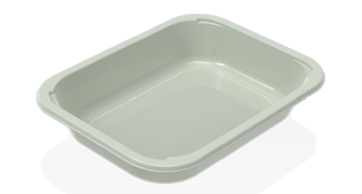 |  |  |  |  |  |  | 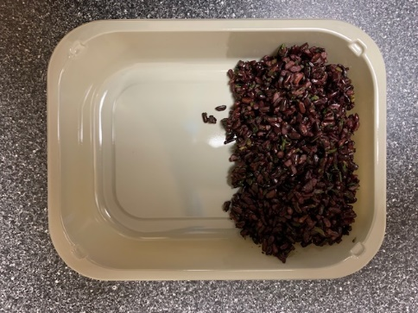

PACK+ 1 YEAR
NON-MAP PACK

Tray: EVOLVE CPET 2200-1E FROST (PKRHP001-15) |  |  |  |  |  |  | Black Rice (GFF238R): 100g
LINE 1: K Peel 3G 25µm (275mmX1000lm)-PKKMP001-04
STEP 3 |  |  | STEP 4 |  |  |  |  |  | STEP 5
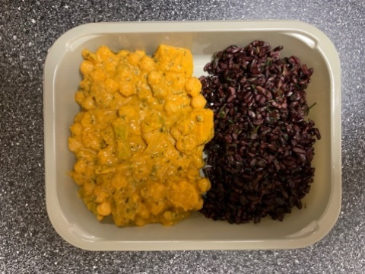 |  |  | 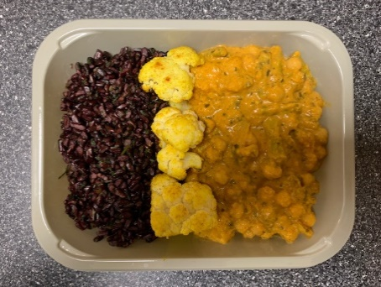 |  |  |  |  |  | 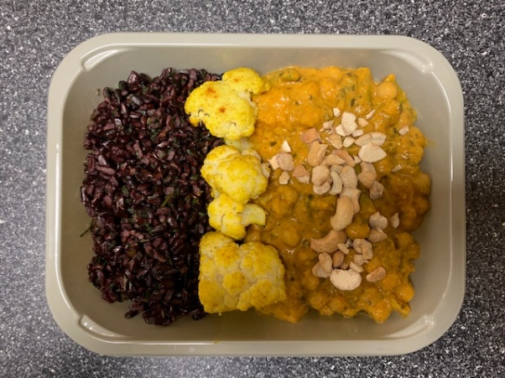

Chickpea Korma Sauce (MC) (GFF373R) 250g |  |  | Roasted Cauliflower (MC) (GFF279R) 45g |  |  |  |  |  | Pasteurised Cashew Nuts (GFF352R) 5g |  |  | Total Weight: 400g

ALLERGY ALERT: NUTS

